Sheet1
 |  |  | Infrastructure |  |  |  |  |  |  |  |  | Security | Environment | Demographic |  | Governance
Pillars of Urban Resilience |  | Development Impact : Input | Water | Energy | Spatial Configuration | Connectivity | Transportation | Green Infrastructure | Defence Infrastructure | Building and Design | Technology + Information | Surveillance | Ecosystem | Social and Demographic | Health | Planning | Centralisation | Economy
Infrastructure
Water (W) |  | 1 | 7 | 3 | 3 | 0 | 0 | -2 | 0 | 0 | 2 | 5 | 1 | -1 | 3 | 3 | 11 | 7
 | Water Demand and Consumption (W_WDC) |  | 5 | 3 | 0 | 0 | 0 | -5 | 0 | 0 | 0 | 0 | -3 | 0 | 3 | 0 | 3 | 3
 | Monitoring (W_M) |  | 2 | 0 | 0 | 0 | 0 | 0 | 0 | 0 | 0 | 5 | 0 | -3 | 0 | 3 | 5 | 4
 | Quality and Conservation Systems (W_QCS) |  | 0 | 0 | 3 | 0 | 0 | 3 | 0 | 0 | 2 | 0 | 4 | 2 | 0 | 0 | 3 | 0
Energy |  | 2 | 16 | 24 | -6 | 8 | 10 | -18 | 8 | 14 | 16 | 8 | -10 | 14 | 0 | 10 | 16 | 8
 | Demand and Consumption |  | 3 | 5 | 0 | 4 | 3 | -3 | 0 | 3 | 5 | 2 | -4 | 3 | 0 | 3 | 3 | 4
 | Flexibility of the Grid |  | 5 | 5 | -3 | 0 | 2 | -5 | 4 | 0 | 3 | 2 | 0 | 0 | 0 | 2 | 0 | 4
 | Renewable Energy Supply Systems |  | 0 | 2 | 0 | 0 | 0 | -1 | 0 | 4 | 0 | 0 | -1 | 4 | 0 | 0 | 5 | 0
Spatial Configuration (SC) |  | 0 | 0 | 0 | 0 | 0 | 0 | 0 | 0 | 0 | 0 | 0 | 0 | 0 | 0 | 0 | 0 | 14
 | Accessibility |  | 0 | 0 | 4 | 5 | 5 | 0 | 0 | 3 | 0 | 5 | -5 | 3 | 0 | 0 | 0 | 0
 | Interdependent Infrastructures |  | 0 | 3 | 2 | 4 | 4 | 0 | 0 | 5 | 3 | 2 | 0 | 5 | -3 | 5 | 5 | 5
 | Density of Buildings |  | 0 | -5 | -4 | -4 | 3 | 0 | 0 | 5 | 0 | -5 | -5 | 5 | -5 | 5 | 5 | 5
 | Flooding Plains (SC_FP) |  | 5 | 3 | 0 | 0 | 0 | 5 | 5 | -4 | 0 | 0 | 3 | 0 | 0 | 4 | 0 | 0
 | Street Connectivity |  | 0 | 0 | 5 | 5 | 4 | 0 | 0 | 3 | 0 | 3 | 0 | 0 | 0 | 5 | 0 | 4
Connectivity |  | 2 | 0 | 0 | 4 | 20 | 14 | 0 | 0 | 10 | 4 | 0 | 6 | 14 | 0 | 0 | 4 | -1
 | Pedestrian Connectivity |  | 0 | 0 | 0 | 5 | 2 | 0 | 0 | 3 | 2 | 0 | 0 | 3 | 0 | 0 | 0 | 2
 | Accessible Public Transportation |  | 0 | 0 | 2 | 5 | 5 | 0 | 0 | 2 | 0 | 0 | 3 | 4 | 0 | 0 | 2 | -3
Transportation |  | 1 | 2 | 5 | 0 | 3 | 0 | -4 | 0 | 0 | 3 | 5 | -5 | 4 | -3 | -3 | -2 | 3
 | Vehicular Miles Travelled |  | 2 | 5 | 0 | 3 | 0 | -4 | 0 | 0 | 3 | 5 | -5 | 4 | -3 | -3 | -2 | 3
Green Infrastructure |  | 2 | 10 | 12 | 8 | -4 | 0 | 28 | 10 | 0 | 0 | 0 | 18 | 16 | 14 | 4 | 12 | 4
 | Parks |  | 0 | 0 | 4 | -2 | 0 | 2 | 0 | 0 | 0 | 0 | 5 | 3 | 0 | 3 | 3 | 0
 | Forest Conservation |  | 0 | 2 | 0 | 0 | 0 | 5 | 0 | 0 | 0 | 0 | 0 | 1 | 2 | -3 | 0 | 2
 | Waste Management |  | 3 | 0 | 0 | 0 | 0 | 3 | 0 | 0 | 0 | 0 | 2 | 4 | 5 | 2 | 3 | 2
 | Costal Defence Structures |  | 2 | 4 | 0 | 0 | 0 | 4 | 5 | 0 | 0 | 0 | 2 | 0 | 0 | 0 | 0 | 0
Defence Infrastructure |  | 3 | 0 | 0 | 6 | 0 | 0 | 0 | 0 | 0 | 0 | -6 | 0 | 12 | 6 | -3 | -9 | 0
 | Provisions for Open Space Shelter |  | 0 | 0 | 2 | 0 | 0 | 0 | 0 | 0 | 0 | -2 | 0 | 4 | 2 | -1 | -3 | 0
Shelter |  |  | 2 | -2 | 4 | 0 | 5 | 0 | 0 | -2 | -2 | 0 | -5 | 4 | 2 | 8 | -1 | 0
 | e.g. Public Hotels, Temporary Accommodations |  | 4 | -2 | 0 | 0 | 2 | 0 | 0 | 0 | -2 | 0 | -2 | 4 | 0 | 3 | 1 | -2
 | Building Regulations |  | -2 | 0 | 4 | 0 | 3 | 0 | 0 | -2 | 0 | 0 | -3 | 0 | 2 | 5 | -2 | 2
Building and Design |  | 1 | 0 | 4 | 3 | 4 | 0 | 2 | 0 | 2 | 3 | 3 | 3 | 6 | 4 | 7 | 3 | 0
 | Thermal Properties |  | 0 | 4 | 0 | 0 | 0 | 2 | 0 | 0 | 0 | 0 | 3 | 2 | 4 | 2 | 0 | 0
 | Geo-Spatial Information |  | 0 | 0 | 3 | 4 | 0 | 0 | 0 | 2 | 3 | 3 | 0 | 4 | 0 | 5 | 3 | 0
Technology + Information |  | 0 | 0 | 0 | 0 | 0 | 0 | 0 | 0 | 0 | 0 | 0 | 0 | 0 | 0 | 0 | 0 | 3
 | Data Accessibility |  | 0 | 0 | 0 | 3 | 0 | 0 | 0 | 0 | 5 | 4 | 0 | 2 | 0 | 0 | -3 | 3
 | Accessibility of Interfaces |  | 0 | 0 | 0 | 0
 | Digital Live-ability
Security
Surveillance |  | 1 | 0 | 0 | 4 | 2 | -5 | 0 | 8 | 2 | 4 | 12 | 0 | 4 | 2 | 5 | 2 | -2
 | Defensible Spaces |  | 0 | 0 | 3 | 1 | 0 | 0 | 5 | -2 | 0 | 5 | 0 | 3 | 0 | 2 | 0 | -1
 | Borders |  | 0 | 0 | 3 | -2 | -3 | 0 | 3 | 2 | 0 | 3 | 0 | -2 | 0 | 3 | -2 | -1
 | Surveillance Cameras |  | 0 | 0 | -2 | 3 | -2 | 0 | 0 | 2 | 4 | 4 | 0 | 3 | 2 | 0 | 4 | 0
Environment
Ecosystem |  | 0 | 0 | 0 | 0 | 0 | 0 | 0 | 0 | 0 | 0 | 0 | 0 | 0 | 0 | 0 | 0 | 0
 | Biodiversity |  | -3 | 0 | -4 | 0 | 0 | 0 | 0 | 0 | 0 | 0 | 5 | 3 | 0 | 0 | 0 | 0
 | Conservation of Ecology |  | -3 | -4 | -2 | 0 | 0 | 0 | 0 | 0 | 0 | 0 | 4 | 4 | 0 | -2 | 0 | 0
 | Erosion Rates |  | -4 | 0 | -4 | 0 | 0 | 0 | 0 | -2 | 0 | 0 | 5 | -2 | 0 | -3 | 0 | 0
Social and Demographic |  | 2 | -6 | -28 | 0 | 46 | -14 | -6 | 0 | 14 | 32 | -30 | 0 | 52 | -10 | 0 | -14 | -26
 | Cultural Diversity |  | 0 | 0 | 0 | -2 | 0 | 0 | 0 | 4 | 2 | -2 | 0 | 5 | -1 | 0 | -4 | -2
 | Education |  | 0 | -3 | 0 | 5 | -3 | 0 | 0 | 3 | 5 | -5 | 0 | 5 | 1 | 0 | 3 | -5
 | Poverty Rate |  | -3 | -5 | 0 | 5 | 0 | 0 | 0 | 0 | 0 | -2 | 0 | 4 | 3 | 0 | -2 | -5
 | Deprivation |  | 0 | -3 | 0 | 5 | 0 | -1 | 0 | 0 | 0 | -5 | 0 | 3 | -3 | 0 | 0 | -4
 | Income Levels |  | 0 | -3 | 0 | 5 | -2 | 0 | 0 | 0 | 2 | 0 | 0 | 3 | 0 | 0 | -2 | -5
 | Language Proficiency |  | 0 | 0 | 0 | 5 | 0 | 0 | 0 | 0 | 5 | 0 | 0 | 2 | 0 | 0 | -2 | -2
 | Ageing Population |  | 0 | 0 | 0 | 0 | -2 | -2 | 0 | 0 | 2 | -1 | 0 | 4 | -5 | 0 | 0 | -3
Health |  | 3 | 0 | 0 | 15 | 15 | -9 | 9 | 0 | 3 | 15 | 15 | 0 | 15 | 15 | 6 | 0 | -3
 | Access to Health Services |  | 0 | 0 | 5 | 5 | -3 | 3 | 0 | 1 | 5 | 5 | 0 | 5 | 5 | 2 | 0 | -3
Governance
Planning |  | 1 | 10 | 9 | 18 | 9 | 10 | 9 | 3 | -6 | 2 | 5 | 8 | 2 | 1 | 16 | -2 | 2
 | Zoning Regulations |  | 0 | 2 | 5 | 3 | 4 | 4 | 2 | -3 | 0 | 0 | 4 | -3 | 0 | 4 | 5 | 0
 | Human Occupancy |  | 4 | 4 | 4 | 1 | 3 | 3 | 0 | 1 | 0 | 2 | -2 | 3 | 0 | 4 | 0 | 2
 | Flexibility |  | 3 | 2 | 4 | 2 | 2 | 0 | 0 | -4 | 2 | 2 | 2 | -2 | 0 | 5 | -3 | 0
 | Collaborative and Proactive Planning |  | 3 | 1 | 5 | 3 | 1 | 2 | 1 | 0 | 0 | 1 | 4 | 4 | 1 | 3 | -4 | 0
Centralisation |  | 2 | 0 | 0 | -6 | 0 | 2 | 16 | 12 | 8 | 14 | 0 | 10 | 14 | 6 | 18 | 26 | 8
 | Power Structures |  | 0 | 0 | 0 | 0 | 2 | 3 | 3 | 0 | 4 | 0 | 0 | 4 | 0 | 5 | 5 | 3
 | Carbon Pricing |  | 0 | 0 | -3 | 0 | -4 | 5 | 0 | 4 | 0 | 0 | 5 | 0 | 3 | -2 | -2 | -4
 | Political Stability |  | 0 | 0 | 0 | 0 | 0 | 0 | 2 | 0 | 0 | 0 | 0 | 1 | 0 | 3 | 5 | 5
 | Cross-Hierarchy Communication |  | 0 | 0 | 0 | 0 | 3 | 0 | 1 | 0 | 3 | 0 | 0 | 2 | 0 | 3 | 5 | 4
Economy |  | 1 | 5 | 5 | 7 | 0 | 15 | 0 | 0 | 0 | 12 | 11 | 0 | 30 | 6 | 11 | 2 | 26
 | Self Sufficiency |  | 5 | 5 | 0 | 0 | 2 | 0 | 0 | 0 | 2 | 3 | 0 | 3 | 0 | 2 | -2 | 5
 | Financial Support, Stability and Flexibility |  | 0 | 0 | 0 | 0 | 2 | 0 | 0 | 0 | 0 | 0 | 0 | 3 | 0 | 0 | -3 | -4
 | Diversified Livelihoods |  | 0 | 0 | 1 | 0 | 0 | 0 | 0 | 0 | 0 | 3 | 0 | 2 | 3 | 3 | 0 | 2
 | Economic Balance |  | 0 | 0 | 2 | 0 | 0 | 0 | 0 | 0 | 3 | 0 | 0 | 4 | 3 | 0 | 4 | 5
 | Taxation and Fiscal Policy |  | 0 | 0 | 0 | 0 | 4 | 0 | 0 | 0 | 0 | 0 | 0 | 1 | 0 | 0 | 0 | 4
 | Job Diversity |  | 0 | 0 | 0 | 0 | 2 | 0 | 0 | 0 | 2 | 0 | 0 | 4 | 0 | 0 | 1 | 3
 | Housing Security |  | 0 | 0 | 2 | 0 | 0 | 0 | 0 | 0 | 0 | 5 | 0 | 3 | 0 | 4 | 2 | 0
 | Employment |  | 0 | 0 | 0 | 0 | 2 | 0 | 0 | 0 | 2 | 0 | 0 | 4 | 0 | 0 | 0 | 4
 | Tourism |  | 0 | 0 | 0 | 0 | 3 | 0 | 0 | 0 | 0 | 0 | 0 | 3 | 0 | 0 | 0 | 4
 | Business Diversification and Sizes |  | 0 | 0 | 2 | 0 | 0 | 0 | 0 | 0 | 3 | 0 | 0 | 3 | 0 | 2 | 0 | 3
Development Impact |  |  | 44 | 34 | 56 | 103 | 23 | 34 | 41 | 47 | 107 | 28 | 31 | 182 | 44 | 74 | 49 | 43
Site Requirement |  |  | 69.75 | 25 | 43 | 106.5 | 44 | 34.5 | 31 | 45 | 105 | 42 | 21 | 133 | 19 | 117 | 39 | 64.5
Difference |  |  | 2 | sufficient | 4 | sufficient | 5 | sufficient | sufficient | sufficient | sufficient | sufficient | sufficient | 4 | 2 | 8 | sufficient | sufficient
Voids on Site
 | no voids present |  |  |  |  |  |  |  |  |  | yes

 | Void of Flood |  | yes |  |  |  |  | yes
 | Void of Urban Vulnerability |  |  |  |  |  |  |  |  | yes |  |  |  |  |  |  |  | yes
 | Void of Shock Absorbtion |  | yes |  |  | yes |  |  |  |  |  |  |  |  |  | yes

Development Name: | asdf |  |  |  |  |  |  |  | Notes:

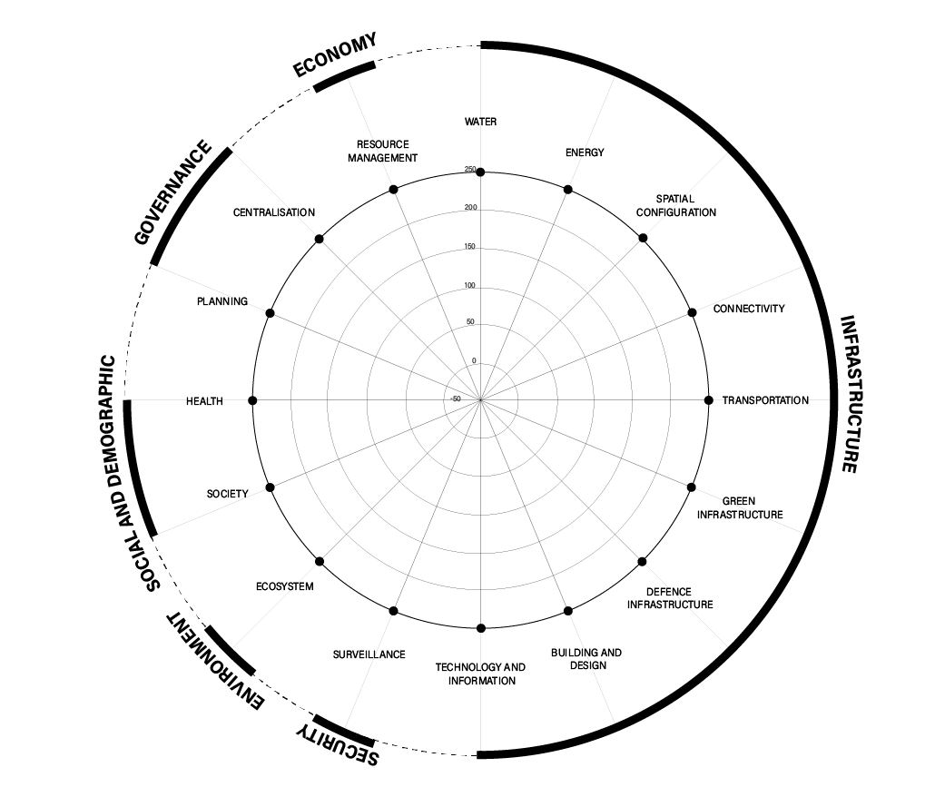

Chart Title None

